icon set
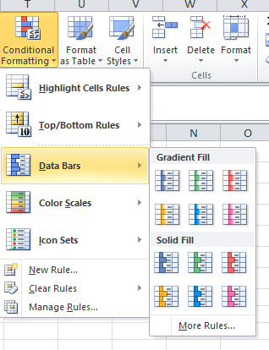
Bills | Jan-16 | Feb-16 | Mar-16 | Total | Percent
Rent | 1200 | 1200 | 1200 | 3600 | 45.28
Car | 300 | 300 | 300 | 900 | 11.32
Credit Cards | 250 | 350 | 450 | 1050 | 13.21
Food | 300 | 400 | 500 | 1200 | 15.09
Phone | 400 | 400 | 400 | 1200 | 15.09
Total | 2450 | 2650 | 2850 | 7950 | 100

Bills | Jan-16 | Feb-16 | Mar-16 | Total | Percent
Rent | 1200 | 1200 | 1200 | 3600 | 45.28
Car | 300 | 300 | 300 | 900 | 11.32
Credit Cards | 250 | 350 | 450 | 1050 | 13.21
Food | 300 | 400 | 500 | 1200 | 15.09
Phone | 400 | 400 | 400 | 1200 | 15.09
Total | 2450 | 2650 | 2850 | 7950 | 100

charts and graphs
Bills | Jan-16 | Feb-16 | Mar-16 | Total | Percent
Rent | 1200 | 1200 | 1200 | 3600 | 45.28
Car | 300 | 300 | 300 | 900 | 11.32
Credit Cards | 250 | 350 | 450 | 1050 | 13.21
Food | 300 | 400 | 500 | 1200 | 15.09
Phone | 400 | 400 | 400 | 1200 | 15.09
Total | 2450 | 2650 | 2850 | 7950 | 100

multiple graphs
Bills | Jan-16 | Feb-16 | Mar-16 | Total | Percent
Rent | 1200 | 1200 | 1200 | 3600 | 45.28
Car | 300 | 300 | 300 | 900 | 11.32
Credit Cards | 250 | 350 | 450 | 1050 | 13.21
Food | 300 | 400 | 500 | 1200 | 15.09
Phone | 400 | 400 | 400 | 1200 | 15.09
Total | 2450 | 2650 | 2850 | 7950 | 100

